Assumptions
Star Cements
Assumptions Sheet
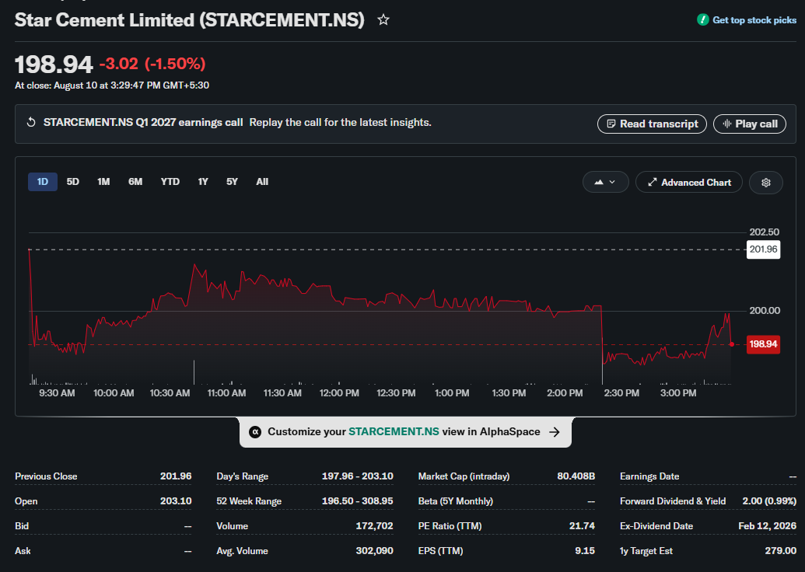
 | Company Description | Star Cements | About Firm
 | ISIN Code | INE460H01021 | Star Cement Limited (formerly Cement Manufacturing Company Limited, renamed in 2016) is the largest cement manufacturer in North East India, with its integrated plant at Lumshnong, Meghalaya and grinding units serving the North-East, West Bengal and Bihar. Promoted by the Bhajanka family (Century Plyboards group) and founded in 2001, the company manufactures OPC, PPC, PSC and value-added cement variants. It is listed on both the NSE and BSE.
 | Sector Name | Materials
 | Industry | Cement & Cement Products
 | Exchange Name | BSE: 540575, NSE: STARCEMENT
 | Website | www.starcement.co.in
 | Current Market Price | 198.94

 | Section | Assumption |  | Company Data
 | Revenue |  |  | Particulars |  | Amounts
 | Revenue — Base Case | Base Case revenue growth of 13.00% in FY2027, tapered annually at 10% to 5% by FY2036. |  | No. of Outstanding Shares | Nos | 404,200,000
 | Revenue — Bull Case | Bull Case opening growth of 22.25% (FY2023 peak historical growth), tapered at 10% per year using identical tapering logic. |  | Face Value per Share | Rs. | 1
 | Revenue — Bear Case | Bear Case revenue growth of 7.5% in FY2027, broadly aligned with the 7–8% industry growth outlook, tapered annually to 4% by FY2036 |  | Current Market Price | Rs. | ₹ 198.94
 | Base Year Revenue | FY2026 audited revenue of ₹3,795.75 Cr serves as the base for all growth projections. |  | Market Capitalisation | ₹ in Cr | ₹ 8,041.15
 | COSTS & EXPENSES
 | COGS | COGS modelled at 15.56% of revenue; FY2024–FY2026 (3-year) historical average, held flat through the forecast.
 | Salaries & Benefits | Salaries & Benefits fixed at 7.32% of revenue; FY2022–FY2026 (5-year) historical average. |  | Key Metrics
 | Other SG&A | Other SG&A fixed at 54.00% of revenue; FY2022–FY2026 (5-year) historical average.
 | Other Income | Other income is embedded within Total Income (Revenue) and not forecast as a separate line; FY2022–FY2026 average was ~0.6% of core sales. |  | Particulars | Unit | Amount
 | Exceptional Items | Exceptional items set to zero across all forecast years (FY2026 actual exceptional gain of ₹11.32 Cr treated as non-recurring). |  | Revenue Growth — Base Case | % | 13.00%
 | DEPRECIATION & CAPEX |  |  | Revenue Growth — Bull Case | % | 22.25%
 | Depreciation Rate | D&A at 15.22% of opening PP&E (FY2026 rate); stepped up +2.00% every three years from FY2030. |  | Revenue Growth — Bear Case | % | 7.50%
 | Capital Expenditure | Capex modelled as % of revenue: 13.75% (FY2027), 28.23% (FY2028), 21.53% (FY2029) reflecting the capacity-expansion plan, then tapering -3.00% p.a. thereafter to 2.93% by FY2036 (₹600 Cr FY2027 capex). |  | Annual Tapering in Growth Rate | % | 10.00%
 | TAXATION |  |  | EBITDA Margin (FY2026 Actual) | % | 25.17%
 | Base Tax Rate | Effective tax rate starts at 25.56% (FY2026 actual rate). |  | PAT Margin (FY2026 Actual) | % | 10.88%
 | Tax Rate Step-Up | Tax rate stepped up +0.50% every two years, reaching 28.06% by FY2036. |  | Effective Tax Rate | % | 25.56%
 | WORKING CAPITAL |  |  | Perpetual Growth Rate | % | 4.00%
 | Receivables (DSO) | DSO of 18.17 days; FY2023–FY2026 (4-year) historical average on a 365-day convention. |  | Risk-Free Rate (10yr G-Sec) | % | 7.03%
 | Inventory (DIO) | DIO of 257.09 days; FY2023–FY2026 (4-year) historical average — reflects large limestone/coal/clinker stockpiles typical of an integrated cement manufacturer. |  | Equity Risk Premium | % | 4.53%
 | Payables (DPO) | DPO of 165.81 days; FY2023–FY2026 (4-year) historical average on a 365-day convention. |  | Equity Beta (Regression) | x | 0.73
 | Cash Conversion Cycle | Net CCC of +109.45 days, driven by heavy raw-material inventory holding typical of cement manufacturing; modelled as persistent. |  | Levered Equity Beta (Used) | x | 1.02
 | Non-Cash WC Movements | Non-cash working capital items (Other Current Assets/Liabilities) held flat at FY2026 levels; historically volatile and not reliably forecastable. |  | Cost of Equity | % | 11.66%
 | BALANCE SHEET |  |  | Pre-Tax Cost of Debt | % | 5.79%
 | Cash & Equivalents | Cash is the balancing figure in the Balance Sheet; accumulates from ₹571.21 Cr (FY2027) to ₹6,708.51 Cr (FY2036). |  | After-Tax Cost of Debt | % | 4.31%
 | Frozen BS Items | All non-operating balance sheet items held flat at FY2026 audited balances throughout the forecast. |  | WACC | % | 10.73%
 | CAPITAL STRUCTURE |  |  | Intrinsic Value (DCF) | ₹/share | 275.98694979
 | Total Debt | Debt frozen at ₹493.19 Cr throughout forecast; no new borrowings or repayments assumed. |  | Recommendation |  | Buy
 | Interest Expense | Interest expense projected at 5.79% of total debt (FY2026 actual effective rate); held constant (~₹28.57 Cr p.a.). |  | Upside / (Downside) | % | 39%
 | Equity Capital | Equity capital held constant at ₹40.42 Cr; no dilution or buybacks modelled.
 | Shares Outstanding | Shares outstanding held constant at 40.42 crore throughout the forecast period.
 | Non-Controlling Interest | NCI held flat at FY2026 audited balance of ₹(3.12) Cr.
 | Dividend Payout | Dividend payout ratio fixed at 3.91% of net income; FY2022–FY2026 (5-year) average, as Star Cement paid no dividend in FY2022–FY2025.
 | Associates P&L | Not Applicable — Star Cement carries no separate share of profit/(loss) from associates; this line item does not appear in the model.
 | DCF INPUTS
 | Terminal Growth Rate | Terminal growth rate of 4.00%; proxy for India's long-run nominal GDP floor.
 | WACC | Discount rate (WACC) of 10.96%; derived from CAPM cost of equity and after-tax cost of debt.
 | Terminal Value — GGM | Gordon Growth Model terminal value applied; FY2036 (undiscounted) terminal value of ₹21,644.38 Cr.
 | Terminal Value — EV/EBITDA | EV/EBITDA exit multiple of 15.43x (average of 8 large-cap listed cement peers) applied on FY2036 EBITDA; FY2036 (undiscounted) terminal value of ₹30,455.03 Cr.
 | Terminal Value — Blended | Final TV is the simple average of GGM and EV/EBITDA terminal values (₹28,071.97 Cr at FY2036), then discounted back via XNPV.
 | Intrinsic Value | Intrinsic value per share: ₹275.98 vs. CMP ₹198.94; implying +34% Upside. Recommendation: BUY.
 | WACC COMPONENTS
 | Risk-Free Rate | 7.03%; 10-year Government of India G-Sec yield as of valuation date.
 | Equity Risk Premium | 4.53%; derived as equity market return (Nifty total-return proxy) minus risk-free rate.
 | Levered Beta (Used) | 1.021x; peer-average unlevered beta of 0.968 re-levered using Star Cement's own D/E of 7.34% and FY2026 effective tax rate of 25.56%.
 | Cost of Equity (CAPM) | 11.66%; derived as: Risk-Free Rate (7.03%) + Levered Beta (1.021) × Equity Risk Premium (4.53%).
 | Pre-Tax Cost of Debt | 5.79%; FY2026 actual interest expense divided by average total debt.
 | After-Tax Cost of Debt | 4.31%; pre-tax cost of debt × (1 − effective tax rate of 25.56%).
 | COMPARABLE COMPANIES
 | Peer Set | 12 listed cement peers: UltraTech Cement, Grasim Industries, Ambuja Cements, Shree Cement, J K Cements, Dalmia Bharat, ACC, The Ramco Cement, JSW Cement, Nuvoco Vistas, India Cements, JK Lakshmi Cement.
 | EV Calculation | Peer EV = Market Cap + Total Debt − Cash & Equivalents; sourced from NSE/BSE filings.
 | Valuation Multiples | Sector median EV/EBITDA (16.13x) and P/E (36.37x) multiples used as relative valuation cross-checks.
 | Exit Multiple | Average EV/EBITDA of 15.43x across 8 large-cap cement peers (UltraTech, Grasim, Ambuja, Shree Cement, J K Cements, Dalmia Bharat, ACC, Ramco Cement) used as the terminal value exit multiple.
 | SCENARIO ANALYSIS
 | Scenarios Modelled | Three scenarios: Base (13.00%), Bull (22.25%), Bear (7.5%) — Base and Bull taper at 10% p.a.; Bear tapers doen to 4%
 | Scenario Differences | Only top-line revenue growth rate differs across scenarios; all other assumptions are identical.
 | Forecast Horizon | 10-year explicit forecast period: FY2027–FY2036.

Scenario Analysis
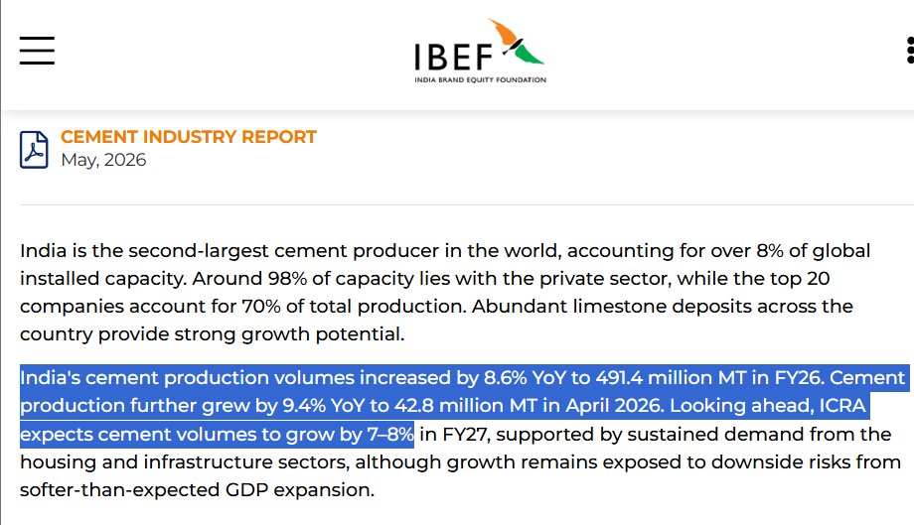
Star Cements
Scenarios

 | Scenarios |  | Growth | 2027 | 2028 | 2029 | 2030 | 2031 | 2032 | 2033 | 2034 | 2035 | 2036
 |  | Base Case | 13.0% | 13.0% | 11.7% | 10.5% | 9.5% | 8.5% | 7.7% | 6.9% | 6.2% | 5.6% | 5.0%
 |  | Bull Case | 22.2% | 22.2% | 20.0% | 18.0% | 16.2% | 14.6% | 13.1% | 11.8% | 10.6% | 9.6% | 8.6%
 |  | Bear Case | 7.5% | 7.5% | 6.8% | 6.1% | 5.5% | 4.9% | 4.4% | 4.0% | 4.0% | 4.0% | 4.0%
 |  | Annual Growth Tapering | 10.0%
 |  | 5 years CAGR | 16.8%
 |  | Average Revenue growth | 14.11%

 |  | Assumptions
 |  | Base Case | I use 13% as a slightly conservative starting point against Star Cement's ~14% FY22–FY26 revenue CAGR, while factoring in the additional growth expected from the announced capacity expansion.
 |  | Bull Case | I assume 22.2% near-term growth to reflect a strong capacity ramp-up, supported by Star Cement's planned increase from 9.7 MTPA to 16.7 MTPA by FY29, along with stronger demand and realisation
 |  | Bear Case | I use 7.5% as the downside starting point because it is broadly aligned with the 7–8% FY27 industry cement-volume growth outlook, assuming Star gains little additional market share from the expansion.

 |  | Annual Report 2024-25 Corporate Overview |  |  |  |  |  |  |  |  | Star Cemenst Investors Presentation -Quarter 4 FY 26
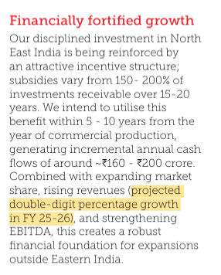
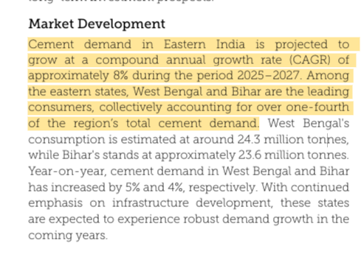
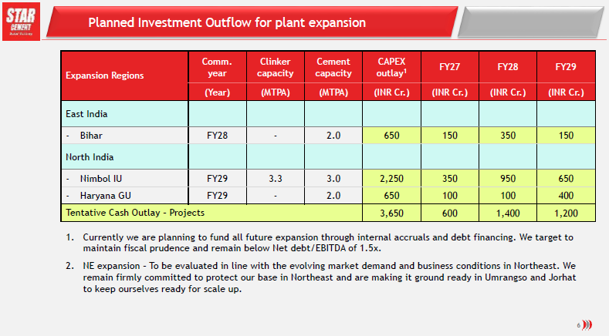

 |  | IBEF Cement Industry Report

Football Field Analysis
Britannia Industries Limited
Valuation Summary : Football Field Analysis

Football Field Data

 |  | Comps | DCF | 52-Week hi/lo | Market Consenses
 | High | 355.6 | 452.1 | 272.2 | 375.0
 | High | 355.6 | 452.1 | 272.2 | 375.0
 | Low | 267.7 | 207.8 | 198.9 | 187.0
 | Low | 267.7 | 207.8 | 198.9 | 187.0

Valuation Summary
Valuation Summary

